Tool 01
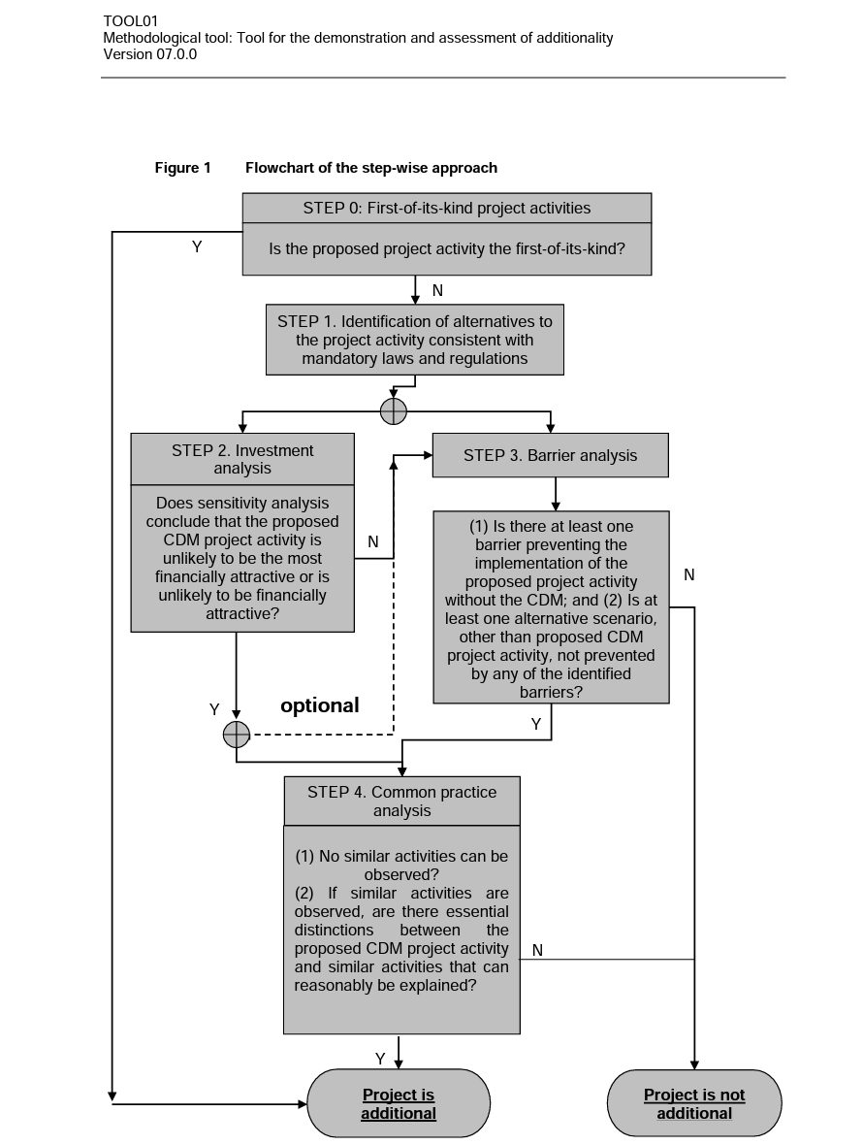
Required Field | Selective Disclosure | Multiple Answers | Schema Type | Parameter | Question | Answer | Notes
TOOL 01: For the demonstration and assessment of additionality
Yes |  | no | if/then | Step 0 : First-of-its-kind project activities | Is the proposed project activity the first-of-its-kind? | no | If Yes: Project is Additional If No: Move to Step 1
Yes |  | yes | string |  | Provide explanation to justify answer. | (Explanation/proof) | Follow up to previous question.
Yes |  | no | if/then | Step 1: Identification of alternatives | (1) Have realistic and credible alternative scenario(s) to the project activity been identified? (2) Are the alternative scenario(s) in compliance with mandatory legislation and regulations (taking into account the enforcement in the region or country and EB decisions on national and/or sectoral policies and regulations)? | Yes/Yes | If both Yes: then proceed to Step 2 (Investment analysis) or Step 3 (Barrier analysis) If any No: Project is not additional.
Yes |  | yes | string |  | Provide explanation to justify answer. | (Explanation/proof) | Follow up to previous question.
Yes |  | no | if/then | Step 2: Investment analysis | Does sensitivity analysis conclude that the proposed CDM project activity is unlikely to be the most financially attractive or is unlikely to be financially attractive? | yes | If Yes: then proceed to Step 4 or to Step 3 if project participent wants to complete both (Optional to complete both Step 2 and 3) If No: Move to Step 3.
Yes |  | yes | string |  | Provide explanation to justify answer. | (Explanation/proof) | Follow up to previous question.
Yes |  | no | if/then | Step 3: Barrier analysis | (1) Is there at least one barrier preventing the implementation of the proposed project activity without the CDM; (2) Is at least one alternative scenario, other than proposed CDM project activity, not prevented by any of the identified barriers? | Yes/Yes | If both Yes: then proceed to Step 4 If any No: Project is not additional.
Yes |  | yes | string |  | Provide explanation to justify answer. | (Explanation/proof) | Follow up to previous question.
Yes |  | no | if/then | Step 4: Common practice analysis | (1) No similar activities can be observed? (2) If similar activities are observed, are there essential distinctions between the proposed CDM project activity and similar activities that can reasonably be explained? | no | If both Yes: Project is additional. If any No: Project is not additional.
Yes |  | yes | string |  | Provide explanation to justify answer. | (Explanation/proof) | Follow up to previous question.
Flowchart of Tool 1

Tool 02
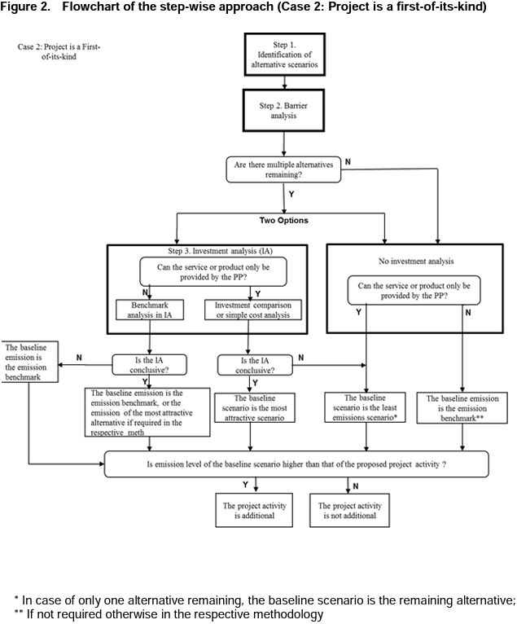
Required Field | Selective Disclosure | Multiple Answers | Schema Type | Parameter | Question | Answer | Notes
TOOL 02: Combined tool to identify the baseline scenario and demonstrate additionality
Yes |  | no | if/then | Step 0 : First-of-its-kind project activities | Is the proposed project activity the first-of-its-kind? | no | If Yes: Move to Step 1A in Case 2 If No: Move to Step 1A in Case 1
Yes |  | yes | string |  | Provide evidence to justify answer. | (Explanation/proof) | Follow up to previous question.
Case 1: If Project is not a first-of-its-kind.
Yes |  | no | if/then | Step 1A: Define alternative scenarios | Have realistic and credible alternative scenario(s) to the project activity been identified? | no | If Yes proceed to Step 1B If No: Can't proceed
Yes |  | yes | string |  | Provide evidence to justify answer. | (List of plausible alternative scenarios to the project activity + explanation) | Follow up to previous question.
Yes |  | no | if/then | Step 1B: Consistency with regulations | Are all the alternative scenario(s) in compliance with mandatory legislation and regulations (taking into account the enforcement in the region or country and EB decisions on national and/or sectoral policies and regulations)? | no | If Yes: Move to Step 2A (Barrier analysis) If No: Move to Step 1C
Yes |  | yes | string |  | Provide evidence to justify answer. | (List of alternative scenarios to the project activity that follow mandatory legislation and regulations + explanation.) | Follow up to previous question.
Yes |  | no | if/then | Step 1C: Consistency with regulations | Is project without CDM the only alternative remaining? | yes | If Yes: Project activity is not additional. If No: Move to Step 2A (Barrier analysis)
Yes |  | yes | string |  | Provide evidence to justify answer. | (Explanation/proof) | Follow up to previous question. (If the above-mentioned list contains only one scenario, than the proposed project activity is not additional)
Yes |  | no | if/then | Step 2A: Barrier analysis (Identify) | Is there at least one or more realistic and credible barrier preventing the implementation of the proposed project activity without the CDM? | yes | If Yes proceed to Step 2B If No: Can't proceed
Yes |  | yes | string |  | Provide evidence to justify answer. | (List of barriers that may prevent one or more alternative scenarios to occur + explanation.) | Follow up to previous question.
Yes |  | no | if/then | Step 2B: Barrier analysis (Eliminate) | Is at least one alternative scenario, other than proposed CDM project activity, not prevented by any of the identified barriers? | yes | If Yes: Proceed to Step 3A (Investment Analysis) If No: Proceed to Step 3B (No Investment Analysis)
Yes |  | yes | string |  | Provide evidence to justify answer. | (List of alternative scenarios to the project activity that are not prevented by any barrier + explanation.) | Follow up to previous question.
Yes |  | no | if/then | Step 3A: Investment analysis | Can the service or product only be provided by the project Participant? | yes | If Yes: Move to Cell C17 If No: Move to Cell C19
Yes |  | yes | if/then | If yes to Step 3A: | Investment comparison or simple cost anlysis must be chosen, is the sensitivity analysis conclusive to confirm the result of the investment comparison analysis or simple cost analysis? | yes | If Yes: Proceed to Step 4A. (The most economically or financially attractive alternative scenario is considered as the baseline scenario) If No: Proceed to Step 4A. (The alternative scenario to the project activity with least emissions among the alternative scenarios is considered as the baseline scenario)
Yes |  | yes | string |  | Provide evidence to justify answer. | (Explanation/proof) | Follow up to previous question.
Yes |  | no | if/then | If no to Step 3A: | Benchmark anlysis must be chosen, is the sensitivity analysis conclusive? | yes | If Yes: Proceed to Step 4A. (The baseline emission is the emission benchmark, or the emission of the most attractive alternative if required in methodology.) If No: Project activity is not additional
Yes |  | yes | string |  | Provide evidence to justify answer. | (Explanation/proof) | Follow up to previous question.
Yes |  | no | if/then | Step 3B: No Investment analysis | Can the service or product only be provided by the project Participant? | yes | If Yes: Proceed to Step 4A (The baseline scenario is the least emissions scenario*) If No: Proceed to Step 4A (The baseline emission is the emission benchmark*)
Yes |  | yes | string |  | Provide evidence to justify answer. | (Explanation/proof) | Follow up to previous question.
Yes |  | no | if/then | Step 4A: Emission Level | Is emission level of the baseline scenario higher than that of the proposed project activity? | yes | If Yes: Proceed to Step 4B If No: Project activity is not additional.
Yes |  | yes | string |  | Provide evidence to justify answer. | (Explanation/proof) | Follow up to previous question.
Yes |  | no | if/then | Step 4B: Common practice analysis | Is the project common practice? | no | If Yes: Project activity is not additional. If No: Project activity is additional.
Yes |  | yes | string |  | Provide evidence to justify answer. | (Explanation/proof) | Follow up to previous question.
Flowchart: (Case 1) If Project is not a first-of-its-kind.
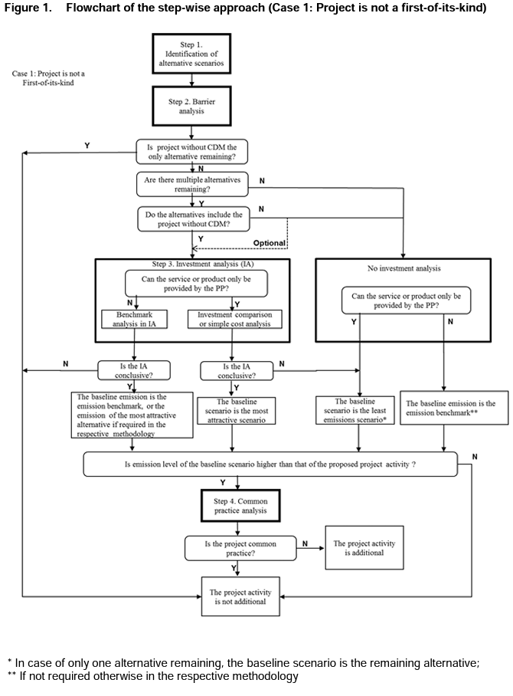

Case 2: If Project is a first-of-its-kind.
Yes |  | no | if/then | Step 1A: Define alternative scenarios | Have realistic and credible alternative scenario(s) to the project activity been identified? | Yes | If Yes proceed to Step 1A If No: Can't proceed
Yes |  | yes | string |  | Provide evidence to justify answer. | (List of plausible alternative scenarios to the project activity + explanation) | Follow up to previous question.
Yes |  | no | if/then | Step 1B: Consistency with regulations | Are all the alternative scenario(s) in compliance with mandatory legislation and regulations (taking into account the enforcement in the region or country and EB decisions on national and/or sectoral policies and regulations)? | No | If Yes: Move to Step 2A (Barrier analysis) If No: Move to Step 1C
Yes |  | yes | string |  | Provide evidence to justify answer. | (List of alternative scenarios to the project activity that follow mandatory legislation and regulations + explanation.) | Follow up to previous question.
Yes |  | no | if/then | Step 1C: Consistency with regulations | Is project without CDM the only alternative remaining? | No | If Yes: Project activity is not additional. If No: Move to Step 2A (Barrier analysis)
Yes |  | yes | string |  | Provide evidence to justify answer. | (Explanation/proof) | Follow up to previous question. (If the above-mentioned list contains only one scenario, than the proposed project activity is not additional)
Yes |  | no | if/then | Step 2A: Barrier analysis (Identify) | Is there at least one or more realistic and credible barrier preventing the implementation of the proposed project activity without the CDM? | Yes | If Yes proceed to Step 2B If No: Can't proceed
Yes |  | yes | string |  | Provide evidence to justify answer. | (List of barriers that may prevent one or more alternative scenarios to occur + explanation.) | Follow up to previous question.
Yes |  | no | if/then | Step 2B: Barrier analysis (Eliminate) | Is at least one alternative scenario, other than proposed CDM project activity, not prevented by any of the identified barriers? | Yes | If Yes: Proceed to Step 3A (Investment Analysis) or Step 3B (No Investment Analysis) If No: Proceed to Step 3B (No Investment Analysis)
Yes |  | yes | string |  | Provide evidence to justify answer. | (List of alternative scenarios to the project activity that are not prevented by any barrier + explanation.) | Follow up to previous question.
Yes |  | no | if/then | Step 3A: Investment analysis | Can the service or product only be provided by the project Participant? | Yes | If Yes: Move to Cell C75 If No: Move to Cell C77
Yes |  | no | if/then | - If yes to Step 3A: | Investment comparison or simple cost anlysis must be chosen, is the sensitivity analysis conclusive to confirm the result of the investment comparison analysis or simple cost analysis? | Yes | If Yes: Proceed to Step 4 (The most economically or financially attractive alternative scenario is considered as the baseline scenario) If No: Proceed to Step 4 (The alternative scenario to the project activity with least emissions among the alternative scenarios is considered as the baseline scenario)
Yes |  | yes | string |  | Provide evidence to justify answer. | (Explanation/proof) | Follow up to previous question.
Yes |  | no | if/then | - If no to Step 3A: | Benchmark anlysis must be chosen, is the sensitivity analysis conclusive? | Yes | If Yes: Proceed to Step 4 (The baseline emission is the emission benchmark, or the emission of the most attractive alternative if required in methodology.) If No: Proceed to Step 4 (The baseline emission is the emission benchmark.)
Yes |  | yes | string |  | Provide evidence to justify answer. | (Explanation/proof) | Follow up to previous question.
Yes |  | no | if/then | Step 3B: No Investment analysis | Can the service or product only be provided by the project Participant? | Yes | If Yes: Proceed to Step 4 (The baseline scenario is the least emissions scenario*) If No: Proceed to Step 4 (The baseline emission is the emission benchmark*)
Yes |  | yes | string |  | Provide evidence to justify answer. | (Explanation/proof) | Follow up to previous question.
Yes |  | no | if/then | Step 4: Emission Level | Is emission level of the baseline scenario higher than that of the proposed project activity? | Yes | If Yes: Project activity is additional. If No: Project activity is not additional.
Yes |  | yes | string |  | Provide evidence to justify answer. | (Explanation/proof) | Follow up to previous question.
Flowchart: (Case 2) If Project is a first-of-its-kind.

Tool 07
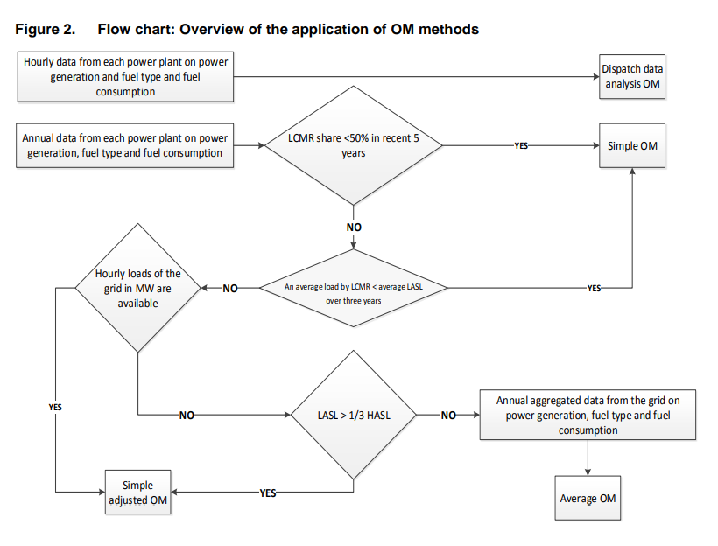
Required Field | Selective Disclosure | Allow Multiple Answers | Schema Type | Parameter | Question | Answer | Notes | Comments
Identify the relevant electricity systems
Yes |  | No | String | N/A | Please provide information about electricity systems. For more information refer to section 6.1 in Methodological Tool 07. |  |  | The comments on TOOL07 appraoch that was or will be shared by Panna are applicable here
Select a method to determine the operating margin (OM)
Yes |  | No | If/Then |  | Does you have hourly or annual data from each power plant on power generation and fuel type and fuel consumption? | Annual | If Hourly OM is Dispatch Data Analysis OM, if Annual follow up with next question
Yes |  | No | If/Then |  | Is LCMR share less than 50% in recent 5 years? | No | If Yes OM is Simple OM, If No follow up with next question
Yes |  | No | If/Then |  | Is the average load by LCMR less than the average LASL over three years? | No | If yes OM is Simple OM, If No follow up with next question
Yes |  | No | If/Then |  | Are hourly loads of the grid in MW available? | No | If Yes OM is Simple Adjusted OM, If No follow up with next question
Yes |  | No | If/Then |  | Is the LASL more than one third of the HASL? | No | If Yes OM is Simple Adjusted OM, If No follow up with next question
Yes |  | No | If/Then |  | Do you have annual aggregated data from the grid on power generation, fuel type and fuel consumption? | Yes | If Yes OM is Average OM, If No give message "Please check responses to properly determine the operating margin."
Flowchart for Step 3

